Sheet1
Inputs | Initial | Adjusted | Greeks (approximations) |  |  | Re-price with Greek approximations
Stock (S) | 50 | 51 | N'(d1) | 0.38 | 0.38 | Stock price change |  | 2
Strike (K) | 50 | 50 | Delta | 0.61 | 0.64 | New stock price |  | 52
Volatility | 30% | 32% | Gamma | 0.03 | 0.02 | Volatility change |  | 2%
Variance | 9% | 10.24% | Vega | 19.15 | 19.18 | New volatility |  | 32%
Risk Free Rate | 4% | 4%
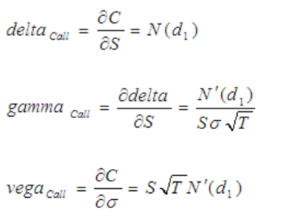
Time (T) | 1 | 1 |  |  |  | Estimate change in price with
Dividend Yield | 0% | 0% |  |  |  | delta/gamma approximation
 |  |  |  |  |  | Change in stock |  | 1
Black Scholes Model |  |  |  |  |  | Delta |  | 0.61
d1 | 0.28 | 0.35 |  |  |  | Gamma |  | 0.03 | Here we basically multiply greeks with changes
N(d1) | 0.61 | 0.64 |  |  |  | Change in volatility |  | 0.02
d2 | -0.02 | 0.03 |  |  |  | Vega |  | 19.15
N(d2) | 0.49 | 0.51 |  |  |  | Truncated Taylor Series: |  | 1.007306003
Call Price | 6.9 | 7.9 |  |  |  | Estimated new call price: |  | 7.884
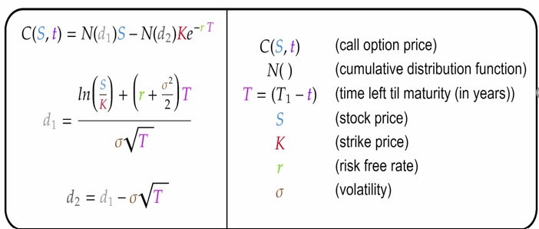

 |  |  |  |  |  | Result
 |  |  |  |  |  | Black Scholes model price | 7.9
 |  |  |  |  |  | Taylor Series approximation | 7.9
 |  |  |  |  |  | Estimate error | 0.0

